Flowwchart
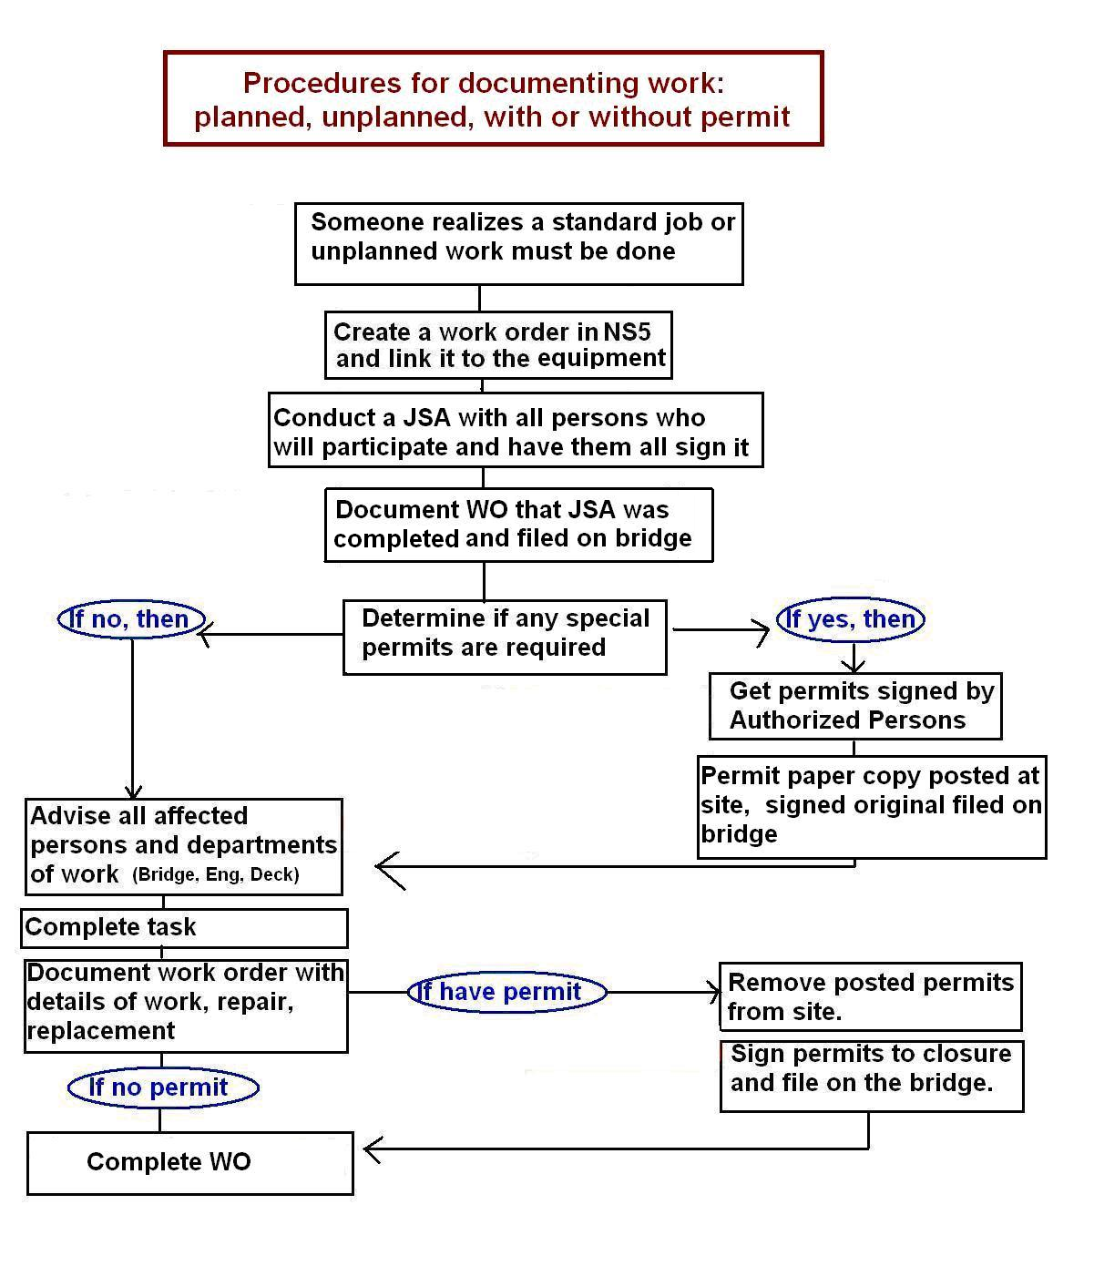
Directions for Completing a Working at Heights Permit

The TDI-Brooks Permit to Work System is described in detail in SOP-GEN-012B of the Safety Management Manual (SMM). The procedures for conducting a Working at Heights task are detailed in SOP-GEN-007U.

